Foglio1
Product line | Product code | Description | QTY
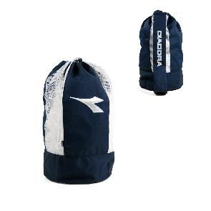 Diadora - Blue 654 | B52DI08411001 | Sakky Bag 28(DIA)x58(H) cm. | 3,290
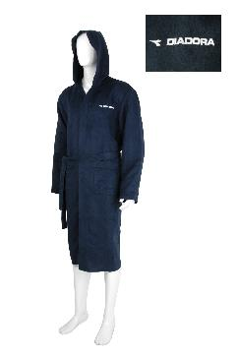 Diadora - Blue 654 | G19DI08411002 | Man Microfiber Bathrobe L/XL | 2,680
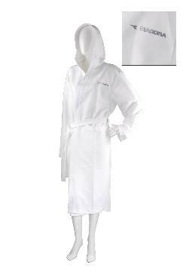 Diadora - Blue 654 | G19DI08411003 | Lady Microfiber Bathrobe M/L | 1,535
 |  |  | 7,505

